Sheet1
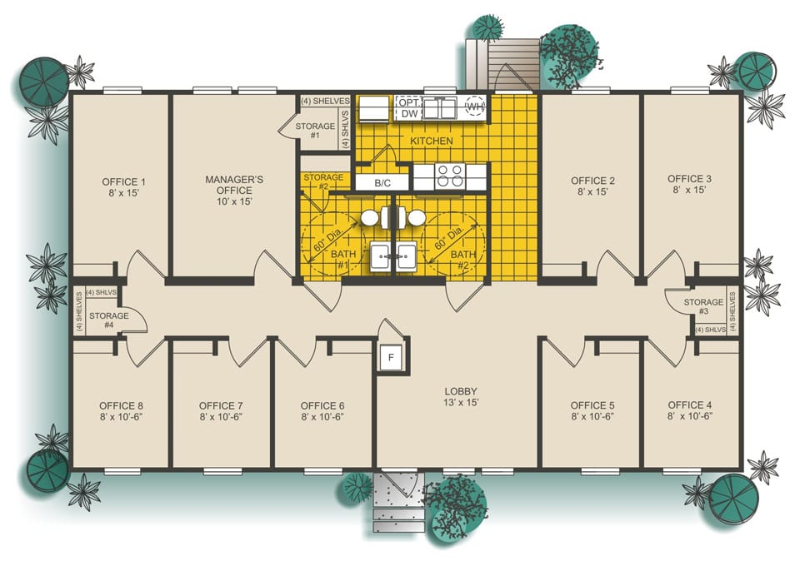
 |  | Price
Centrifuge |  | 2742 |  |  |  | 457 per centrifuge(6 centrifuges per year)
Inventory |  | 3,000 |  |  |  | The cost to store, hold or carry inventory consists of 1) the cost of the space used including rent, heat, maintenance, etc., 2) the cost of the money tied up in inventory, 3) the cost of insurance and perhaps property tax, and 4) the cost of deterioration and obsolescence of the inventory items.
Centrifuge tube |  | 0.15 |  |  |  | 74/case(500) | https://www.southernlabware.com/centrifuge-tube-15ml-sterile-polypropylene-printed-graduations-50-foam-rack-10-racks-case-1417.html?gclid=Cj0KCQiA4feBBhC9ARIsABp_nbXA1a4UxQcbLoNbfqG6KTHGu2rvwWFOZulqTW2FShL9mCIb5WCgqIoaAgpOEALw_wcB
Activator serum |  | 6.9 |  |  |  | 69/10 pieces
Anticoagulants |  | 6.2 |  |  |  | 31/50 ml (10 ml per person) | https://www.sigmaaldrich.com/catalog/product/sigma/c3821?lang=en&region=US
syringes |  | 2 |  |  |  | 8/box (40) inject on 10 sites | https://www.amazon.com/DEPEPE-Plastic-Scientific-Measurement-Dispensing/dp/B08K325VP4/ref=asc_df_B08K325VP4/?tag=hyprod-20&linkCode=df0&hvadid=475716102847&hvpos=&hvnetw=g&hvrand=1381788616309597486&hvpone=&hvptwo=&hvqmt=&hvdev=c&hvdvcmdl=&hvlocint=&hvlocphy=9009973&hvtargid=pla-1186503183544&psc=1
needle |  | 1.4 |  |  |  | 7.50/box (100) in ject on 10 sites scalp | https://www.saveritemedical.com/products/caretouch-needle-27g-x-1?variant=1302797778956&utm_source=google&utm_medium=cpc&gclid=Cj0KCQiA4feBBhC9ARIsABp_nbXXOAOpxScJOgHTJwfcoerDtjyqJiAn9sRGrVCw4b1JRuUD0dtyCyMaAh_2EALw_wcB
tourniquet |  | 9.99 |  |  |  |  | https://www.amazon.com/Tactical-Tourniquet-Military-Emergency-Application/dp/B06ZZQPRQ8/ref=asc_df_B06ZZQPRQ8/?tag=hyprod-20&linkCode=df0&hvadid=312039782397&hvpos=&hvnetw=g&hvrand=6237287262351187527&hvpone=&hvptwo=&hvqmt=&hvdev=c&hvdvcmdl=&hvlocint=&hvlocphy=9009973&hvtargid=pla-760193851152&psc=1&tag=&ref=&adgrpid=62138614996&hvpone=&hvptwo=&hvadid=312039782397&hvpos=&hvnetw=g&hvrand=6237287262351187527&hvqmt=&hvdev=c&hvdvcmdl=&hvlocint=&hvlocphy=9009973&hvtargid=pla-760193851152
butterfly needle |  | 0.58 |  |  |  | $28.99/box | https://www.mcguffmedical.com/exel-blood-collection-set-50box?productId=4556&gclid=Cj0KCQiA-OeBBhDiARIsADyBcE7jLvWQs9nH0Z7b8CA4mPXG2i_A69vEeSAftNwDEcl9DSDsPsL_KfwaAm0AEALw_wcB
blood collection tube |  | 0.14 |  |  |  | $14.50/box for 100 | https://cliawaived.com/medical-product-supplies/blood-collection-and-safety/bd-vacutainerr-venous-blood-collection-tubes.html
Total for PRP kit per person |  | 27.36
 |  |  |  |  | Platelet Rich Plasma Pricing PRP is provided on a per fee basis and is not covered by Alberta Health Care.
 | Cost of structure |  | 30ml (small PRP kit) | $395
PRP kit for 1 year (100 sale/day) | 9986.4 |  | 60ml (large PRP kit) | $495
Centrifuge | 2742
Inventory (5000 sq ft) | 66,000 |  |  |  | 1 kit= 27.36
Shipping(cost of distribute) | 547500 |  |  |  | centrifuge and inventory cost per year:5742
Employee cost
Total
The profit in one year of Centry

Number of kits sale per day | Revenue | Cost of structure | Profit
1 | 36500 | 15728.4 | 20771.6
2 | 73000 | 25714.8 | 47285.2
3 | 109500 | 35701.2 | 73798.8
4 | 146000 | 45687.6 | 100312.4
5 | 182500 | 55674 | 126826

Sheet2
Cost of structure
Categories | Cost of structure |  | Centrifuge | cost | profit
PRP kit for 1 year (100 sale/day) | 9986.4 |  | 6 | 2742
Centrifuge | 2742
Inventory (5000 sq ft) | 66,000
Shipping(cost of distribute) | 799350
Employee cost | 650000
Total | 1528078.4

Number of kits sale per day | Revenue | Net Margin Profit (%) |  |  | Profit | Net Margin Profit
10 | 365,000 | -319% |  |  | -1,163,078 | -3.1865161644
50 | 1,825,000 | 16% |  |  | 296,922 | 0.16269676712
100 | 3,650,000 | 58% |  |  | 2,121,922 | 0.58134838356
200 | 7,300,000 | 79% |  |  | 5,771,922 | 0.79067419178

Number of kits sale per day | Net Margin Profit (%)
10 | 9%
50 | 16%
Number of kits sale per day : Net margin profit
100 | 58%
200 | 79%

Categories | Yearly expenses
Product | 834,510
Inventory Management | 96,000
Shipment | 799,350
Regulatory | 14,346
Staff | 650,000
Insurance | 3,149.04

Sales per day vs Revenue

Revenue
Revenue Report Per Year

Product | Quantity | Price | Profit
CKIT | 30000 | $120.00 | $3,600,000.00
CKIT | 73000
CKIT | 91250
CKIT | 109500
CKIT | 127750

TOTAL | $- |  | $3,600,000.00

TOTAL PROFIT | $3,650,000.00 | $2,397,355.04 | $1,252,644.96

Product | Revenue per year($) |  | Number of kits sale per year
Centrifuge | 50,000 |  | 73000
CKIT | 3,600,000 |  | 91250
 |  |  | 109500
 |  |  | 127750

